Arkusz1
D3D12 - FPS (Time)
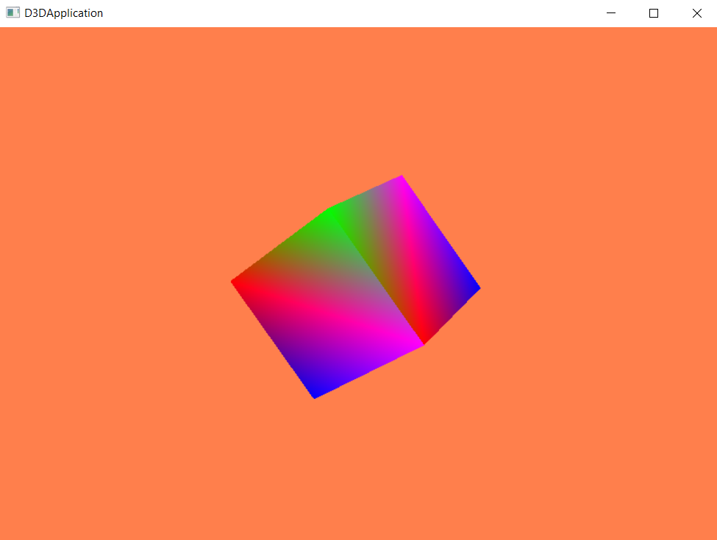
OpenGL |  |  | DirecX (D3D12)
Time [s] | FPS [-] | Time of one frame [ms] | Time [s] | FPS [-]
1 | 154 | 649,346 | 1 | 1
2 | 405 | 246,929 | 2 | 269
3 | 405 | 246,929 | 3 | 847
4 | 62 | 160,264 | 4 | 1558
5 | 62 | 160,264 | 5 | 1850
6 | 595 | 16,813 | 6 | 2108
7 | 398 | 251,119 | 7 | 1650
8 | 398 | 251,119 | 8 | 780
9 | 840 | 119,024 | 9 | 1542
10 | 434 | 230,609 | 10 | 1111
11 | 434 | 230,609 | 11 | 1944
12 | 568 | 175,974 | 12 | 1768
13 | 473 | 211,476 | 13 | 1997
14 | 356 | 280,788 | 14 | 1955
15 | 500 | 199,951 | 15 | 2116
OpenGL API - FPS (Time)
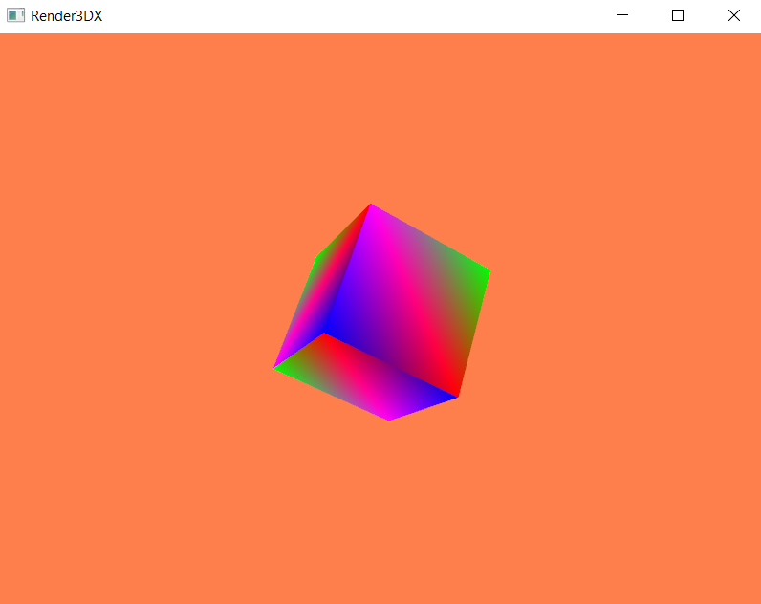
16 | 303 | 330,092 | 16 | 1111
17 | 383 | 260,851 | 17 | 1937
18 | 383 | 260,851 | 18 | 2140
19 | 50 | 201,499 | 19 | 2168
20 | 50 | 201,499 | 20 | 1683
21 | 69 | 145,597 | 21 | 2489
22 | 69 | 145,597 | 22 | 2133
23 | 528 | 18,947 | 23 | 602
24 | 364 | 274,916 | 24 | 2015
25 | 594 | 168,351 | 25 | 2044
26 | 594 | 168,351 | 26 | 2756
27 | 286 | 349,403 | 27 | 1398
28 | 216 | 462,084 | 28 | 1977
29 | 373 | 268,199 | 29 | 2055
30 | 499 | 200,457 | 30 | 2320
31 | 510 | 196,199 | 31 | 2366
32 | 288 | 347,709 | 32 | 1948
33 | 296 | 33,782 | 33 | 2135
34 | 274 | 365,336 | 34 | 2341
35 | 376 | 265,723 | 35 | 2505 |  | OpenGL | DirecX (D3D12)
36 | 194 | 514,556 | 36 | 2369 | AVG: | 387.14280328 | 1823.147541 | [FPS]
37 | 349 | 286,235 | 37 | 1095 | Deviation: | 174.9555164 | 601.50510766 | [FPS]
38 | 151 | 663,514 | 38 | 2124 | Wariation | 30609.43272 | 361808.39454 | [FPS]
39 | 225 | 443,888 | 39 | 2213
40 | 289 | 346,592 | 40 | 2029
41 | 284 | 351,812 | 41 | 2401
42 | 536 | 186,558 | 42 | 2352
43 | 339 | 29,508 | 43 | 2391
44 | 353 | 282,956 | 44 | 2306
45 | 239 | 418,816 | 45 | 1379
46 | 522 | 191,481 | 46 | 2028
47 | 522 | 191,481 | 47 | 1935
48 | 564 | 177,334 | 48 | 2134
49 | 479 | 20,888 | 49 | 1122
50 | 400 | 250,013 | 50 | 2190
51 | 400 | 250,013 | 51 | 2615
52 | 600 | 166,572 | 52 | 2596
53 | 599 | 166,934 | 53 | 1497
54 | 599 | 166,934 | 54 | 2123
55 | 371 | 26.95 | 55 | 1609
56 | 301 | 331,841 | 56 | 301
57 | 301 | 331,841 | 57 | 1303
58 | 729 | 137,084 | 58 | 1514
59 | 566 | 176,761 | 59 | 1829
60 | 557 | 179,635 | 60 | 1852
61 | 557 | 179,635 | 61 | 2286

